Main Sheet
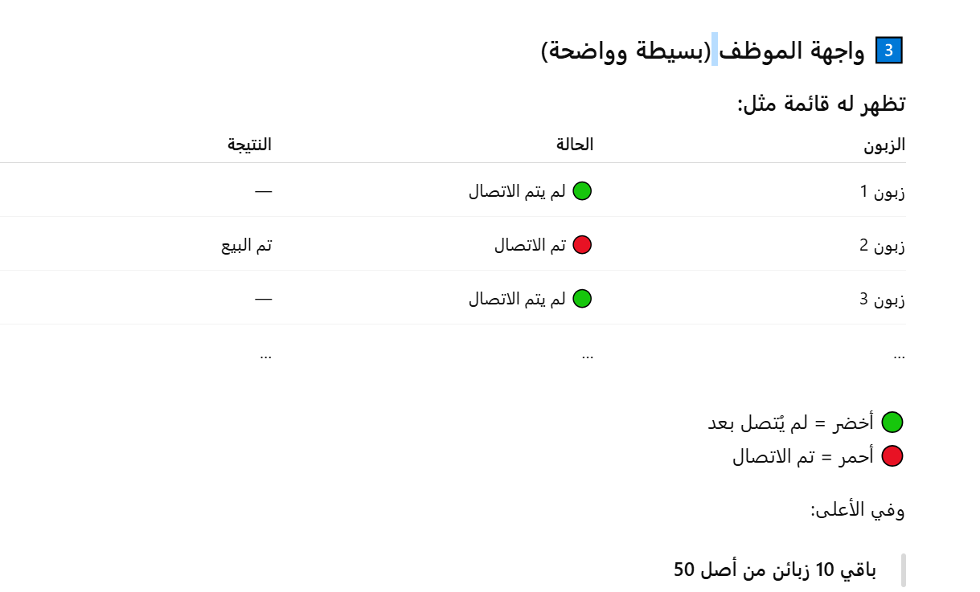
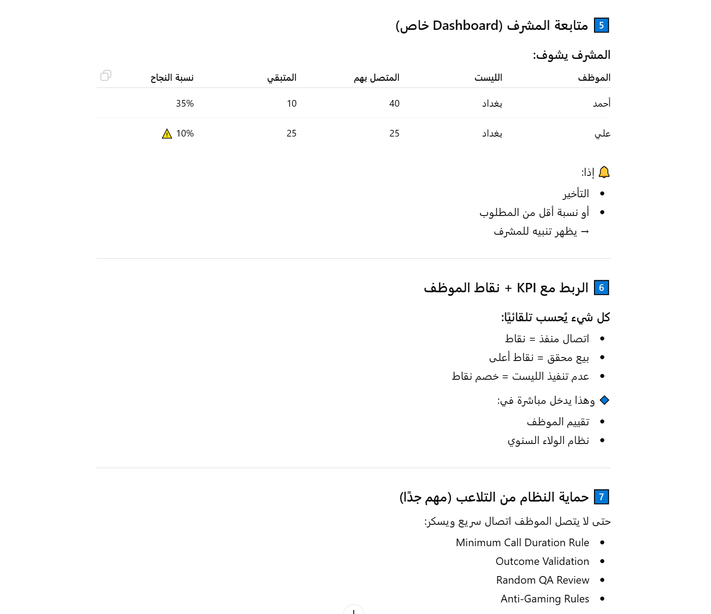
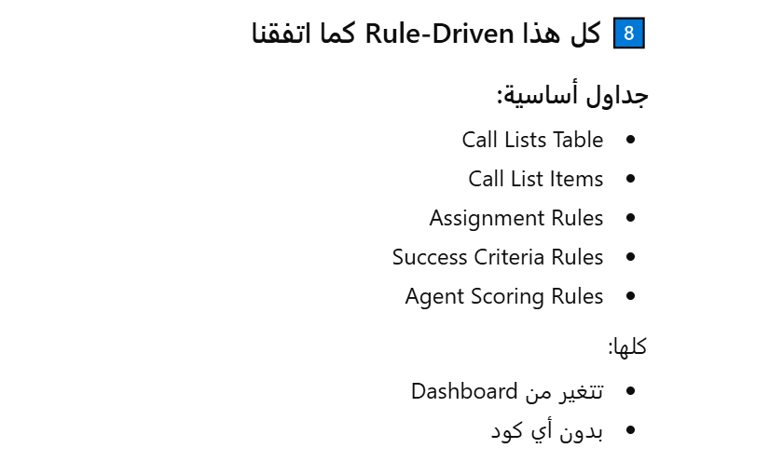
Golden Rule
No hardcoded rules, the system needs to be flexible to changes through tables that are sorted and grouped by their designated logic together instead of throwing everything together in the settings Rule Engine Configurable UI (Dashboard / Settings Screen)
Multi-Branch Isolation ( each branch has its own tickets, reports, and auth and can happen the customer has dealing with both branches so for the branch it shows that the customer has billings and invoices in that branch)
for each branch can see what is relevant to him or see all depends on the auth
The price list and the cards for it, regarding the brand, with the search bar for looking up the item. Note that if I already picked the brand or all so the search is accurate
In case the item is not in the list, there is a section for the requested items and I can tag in it the name card of the customer who requested it and in case the item has been requested again I clcik on so it counts how many time s it got requested and the customer that asked for it with the date of request for each request
the possibility to make it auto when the perfume is stocked it sends
The integration of the delivery companies and where is each order at and its status and to which customer card it belongs to and the invoice of that order
samples / its version and what they contain and
a window appear when accepting a call that has (review the call window sheet)
in case of a multibale coing calls from the same channel or diff one a call Queue (nav section for queue and missed calls) with the priorty of it set by the tags
in the customers section of the nav bar active and inactive vip and regular and can search by name or phone number or keywords
QA for the supervisor to check the users and their stats from missed follow-up commitments and from incorrect pricing or compliance breaches howmany minutes it took to solve the issue / service level agreement
Inbox
an omnichannel that has the inboxes inside it to show the inbox of WhatsApp or secondary WhatsApp, Telegram, TikTok, and … to show as all or through the clickable cards to show the inbox for it and can reply right there and convirse with the customer that is clickable if he is rigestered to show his card if not it flagged as unregistered lead so we can register it as a lead first with the proper lead tag for it and a filter for the unregistered and the chaneels
an icon and hue for each channel to distinguish them from each other in case the supervisor was looking for all the messages
The ability to assign the chat or the channel to an employee so there is no overlap, and in case there is already an employee that is answering or in that chat writing it shows to the employee who is writing rightnow so there is no overlap and it prevent it from writing unless the suprevisor allow it or assigns it to them
the option to toggle certain channels to certain employees or free for all
Price List
Perfumes
for perfumes by brands and the option of all or selecting by UOM, with the option of the new release toggle to show the prefumes of the 30 days or less which can be configured from the settings to be higlited or show in that filter
kanban view and list view
item code name uom price currency and if it is flagged as a discount or not
the items that are currently in the disscount list
Glass & Other cat
has filters by how many mill they are or price or … that has picture of the glass
Clicking on the glass results in showing the glass information(to be filled). With its price and current stock and the employee can ask for restocking to show in the section of the nave bar that handle restocking for the items sorted by the item and its brand or main info that section shows in the side of the suppley chain user that we go through in detail in its own sheet
Search by name,item code,…
Omni Channels
where the adding/connecting a new channel and its setting happen and setting its rules or options for the current connected channels happen
it does not flag as opened unless there is a response fronm the agent side so even if I open it and read it unless there is a respond from our side it shows still an open with the visual effect for it for every response of the customer it treated as an opened we reply means opened and we responded we did not reply means un opened and waiting for the customer reply
for the messages that we replied they are flagged waiting for customer response for closing the deal, labeled as sold or followup or complaint
The ability to record the calls for auditing and attach each call record to its customer card and only shown to the auth that is allowed to and nav section for the audit for the recorded calls to be part of sorted date/customer wise and can clear past recors only by the admin for the stoarge clearing
the same for the chats also to be stored
support templates with revising the ristriction from the channels themselves
shows the time of the messages just like the regular use in the mobiles
possiable 2 shifts for the future
When receiving an outside of work hours message, the AI bots, if there is any, take over for catalog, prices, and stock, and are flagged automatically for follow-up when the employee logs in. When the employee is inside that chat it locks it to him so no overlap happens, and in the logs, it shows that that user was inside that chat, and the supervisor can bypass that
an automatic ownership for the person that accepts the conversation and starts to chat with the customer and can be transffered with the auth of the supervisor
an SLA determined in the settings for the omnichanels so when the determined number is set for the single chat passes it gets escalated to the supervisior and esclation nav window has the card that shows howmany minutes/ time it has been sitting there
An employee can transfer chat ownership, which the recipient has to approve it and the reason of the transfer for the handover | An employee can transfer chat ownership, which the recipient has to approve it | An employee can transfer chat ownership, which the recipient has to approve it | An employee can transfer chat ownership, which the recipient has to approve it | An employee can transfer chat ownership, which the recipient has to approve it | An employee can transfer chat ownership, which the recipient has to approve it | An employee can transfer chat ownership, which the recipient has to approve it | An employee can transfer chat ownership, which the recipient has to approve it | An employee can transfer chat ownership, which the recipient has to approve it | An employee can transfer chat ownership, which the recipient has to approve it | An employee can transfer chat ownership, which the recipient has to approve it | An employee can transfer chat ownership, which the recipient has to approve it | An employee can transfer chat ownership, which the recipient has to approve it | An employee can transfer chat ownership, which the recipient has to approve it | An employee can transfer chat ownership, which the recipient has to approve it | An employee can transfer chat ownership, which the recipient has to approve it | An employee can transfer chat ownership, which the recipient has to approve it | An employee can transfer chat ownership, which the recipient has to approve it | An employee can transfer chat ownership, which the recipient has to approve it | An employee can transfer chat ownership, which the recipient has to approve it | An employee can transfer chat ownership, which the recipient has to approve it | An employee can transfer chat ownership, which the recipient has to approve it | An employee can transfer chat ownership, which the recipient has to approve it | An employee can transfer chat ownership, which the recipient has to approve it | An employee can transfer chat ownership, which the recipient has to approve it | An employee can transfer chat ownership, which the recipient has to approve it | An employee can transfer chat ownership, which the recipient has to approve it | An employee can transfer chat ownership, which the recipient has to approve it | An employee can transfer chat ownership, which the recipient has to approve it | An employee can transfer chat ownership, which the recipient has to approve it | An employee can transfer chat ownership, which the recipient has to approve it | An employee can transfer chat ownership, which the recipient has to approve it | An employee can transfer chat ownership, which the recipient has to approve it | An employee can transfer chat ownership, which the recipient has to approve it | An employee can transfer chat ownership, which the recipient has to approve it | An employee can transfer chat ownership, which the recipient has to approve it | An employee can transfer chat ownership, which the recipient has to approve it | An employee can transfer chat ownership, which the recipient has to approve it | An employee can transfer chat ownership, which the recipient has to approve it | An employee can transfer chat ownership, which the recipient has to approve it | An employee can transfer chat ownership, which the recipient has to approve it | An employee can transfer chat ownership, which the recipient has to approve it | An employee can transfer chat ownership, which the recipient has to approve it | An employee can transfer chat ownership, which the recipient has to approve it | An employee can transfer chat ownership, which the recipient has to approve it | An employee can transfer chat ownership, which the recipient has to approve it | An employee can transfer chat ownership, which the recipient has to approve it | An employee can transfer chat ownership, which the recipient has to approve it | An employee can transfer chat ownership, which the recipient has to approve it | An employee can transfer chat ownership, which the recipient has to approve it | An employee can transfer chat ownership, which the recipient has to approve it | An employee can transfer chat ownership, which the recipient has to approve it | An employee can transfer chat ownership, which the recipient has to approve it | An employee can transfer chat ownership, which the recipient has to approve it | An employee can transfer chat ownership, which the recipient has to approve it | An employee can transfer chat ownership, which the recipient has to approve it | An employee can transfer chat ownership, which the recipient has to approve it | An employee can transfer chat ownership, which the recipient has to approve it | An employee can transfer chat ownership, which the recipient has to approve it | An employee can transfer chat ownership, which the recipient has to approve it | An employee can transfer chat ownership, which the recipient has to approve it | An employee can transfer chat ownership, which the recipient has to approve it | An employee can transfer chat ownership, which the recipient has to approve it | An employee can transfer chat ownership, which the recipient has to approve it | An employee can transfer chat ownership, which the recipient has to approve it | An employee can transfer chat ownership, which the recipient has to approve it | An employee can transfer chat ownership, which the recipient has to approve it | An employee can transfer chat ownership, which the recipient has to approve it | An employee can transfer chat ownership, which the recipient has to approve it | An employee can transfer chat ownership, which the recipient has to approve it | An employee can transfer chat ownership, which the recipient has to approve it | An employee can transfer chat ownership, which the recipient has to approve it | An employee can transfer chat ownership, which the recipient has to approve it | An employee can transfer chat ownership, which the recipient has to approve it | An employee can transfer chat ownership, which the recipient has to approve it | An employee can transfer chat ownership, which the recipient has to approve it | An employee can transfer chat ownership, which the recipient has to approve it | An employee can transfer chat ownership, which the recipient has to approve it | An employee can transfer chat ownership, which the recipient has to approve it | An employee can transfer chat ownership, which the recipient has to approve it | An employee can transfer chat ownership, which the recipient has to approve it | An employee can transfer chat ownership, which the recipient has to approve it | An employee can transfer chat ownership, which the recipient has to approve it | An employee can transfer chat ownership, which the recipient has to approve it | An employee can transfer chat ownership, which the recipient has to approve it | An employee can transfer chat ownership, which the recipient has to approve it | An employee can transfer chat ownership, which the recipient has to approve it | An employee can transfer chat ownership, which the recipient has to approve it | An employee can transfer chat ownership, which the recipient has to approve it | An employee can transfer chat ownership, which the recipient has to approve it | An employee can transfer chat ownership, which the recipient has to approve it | An employee can transfer chat ownership, which the recipient has to approve it | An employee can transfer chat ownership, which the recipient has to approve it | An employee can transfer chat ownership, which the recipient has to approve it | An employee can transfer chat ownership, which the recipient has to approve it | An employee can transfer chat ownership, which the recipient has to approve it | An employee can transfer chat ownership, which the recipient has to approve it | An employee can transfer chat ownership, which the recipient has to approve it | An employee can transfer chat ownership, which the recipient has to approve it | An employee can transfer chat ownership, which the recipient has to approve it | An employee can transfer chat ownership, which the recipient has to approve it | An employee can transfer chat ownership, which the recipient has to approve it | An employee can transfer chat ownership, which the recipient has to approve it | An employee can transfer chat ownership, which the recipient has to approve it | An employee can transfer chat ownership, which the recipient has to approve it | An employee can transfer chat ownership, which the recipient has to approve it | An employee can transfer chat ownership, which the recipient has to approve it | An employee can transfer chat ownership, which the recipient has to approve it | An employee can transfer chat ownership, which the recipient has to approve it | An employee can transfer chat ownership, which the recipient has to approve it | An employee can transfer chat ownership, which the recipient has to approve it | An employee can transfer chat ownership, which the recipient has to approve it | An employee can transfer chat ownership, which the recipient has to approve it | An employee can transfer chat ownership, which the recipient has to approve it | An employee can transfer chat ownership, which the recipient has to approve it | An employee can transfer chat ownership, which the recipient has to approve it | An employee can transfer chat ownership, which the recipient has to approve it | An employee can transfer chat ownership, which the recipient has to approve it | An employee can transfer chat ownership, which the recipient has to approve it | An employee can transfer chat ownership, which the recipient has to approve it | An employee can transfer chat ownership, which the recipient has to approve it | An employee can transfer chat ownership, which the recipient has to approve it | An employee can transfer chat ownership, which the recipient has to approve it | An employee can transfer chat ownership, which the recipient has to approve it | An employee can transfer chat ownership, which the recipient has to approve it | An employee can transfer chat ownership, which the recipient has to approve it | An employee can transfer chat ownership, which the recipient has to approve it | An employee can transfer chat ownership, which the recipient has to approve it | An employee can transfer chat ownership, which the recipient has to approve it | An employee can transfer chat ownership, which the recipient has to approve it | An employee can transfer chat ownership, which the recipient has to approve it | An employee can transfer chat ownership, which the recipient has to approve it | An employee can transfer chat ownership, which the recipient has to approve it | An employee can transfer chat ownership, which the recipient has to approve it | An employee can transfer chat ownership, which the recipient has to approve it | An employee can transfer chat ownership, which the recipient has to approve it | An employee can transfer chat ownership, which the recipient has to approve it | An employee can transfer chat ownership, which the recipient has to approve it | An employee can transfer chat ownership, which the recipient has to approve it | An employee can transfer chat ownership, which the recipient has to approve it | An employee can transfer chat ownership, which the recipient has to approve it | An employee can transfer chat ownership, which the recipient has to approve it | An employee can transfer chat ownership, which the recipient has to approve it | An employee can transfer chat ownership, which the recipient has to approve it | An employee can transfer chat ownership, which the recipient has to approve it | An employee can transfer chat ownership, which the recipient has to approve it | An employee can transfer chat ownership, which the recipient has to approve it | An employee can transfer chat ownership, which the recipient has to approve it | An employee can transfer chat ownership, which the recipient has to approve it | An employee can transfer chat ownership, which the recipient has to approve it | An employee can transfer chat ownership, which the recipient has to approve it | An employee can transfer chat ownership, which the recipient has to approve it | An employee can transfer chat ownership, which the recipient has to approve it | An employee can transfer chat ownership, which the recipient has to approve it | An employee can transfer chat ownership, which the recipient has to approve it | An employee can transfer chat ownership, which the recipient has to approve it | An employee can transfer chat ownership, which the recipient has to approve it | An employee can transfer chat ownership, which the recipient has to approve it | An employee can transfer chat ownership, which the recipient has to approve it | An employee can transfer chat ownership, which the recipient has to approve it | An employee can transfer chat ownership, which the recipient has to approve it | An employee can transfer chat ownership, which the recipient has to approve it | An employee can transfer chat ownership, which the recipient has to approve it | An employee can transfer chat ownership, which the recipient has to approve it | An employee can transfer chat ownership, which the recipient has to approve it | An employee can transfer chat ownership, which the recipient has to approve it | An employee can transfer chat ownership, which the recipient has to approve it | An employee can transfer chat ownership, which the recipient has to approve it | An employee can transfer chat ownership, which the recipient has to approve it | An employee can transfer chat ownership, which the recipient has to approve it | An employee can transfer chat ownership, which the recipient has to approve it | An employee can transfer chat ownership, which the recipient has to approve it | An employee can transfer chat ownership, which the recipient has to approve it | An employee can transfer chat ownership, which the recipient has to approve it | An employee can transfer chat ownership, which the recipient has to approve it | An employee can transfer chat ownership, which the recipient has to approve it | An employee can transfer chat ownership, which the recipient has to approve it | An employee can transfer chat ownership, which the recipient has to approve it | An employee can transfer chat ownership, which the recipient has to approve it | An employee can transfer chat ownership, which the recipient has to approve it | An employee can transfer chat ownership, which the recipient has to approve it | An employee can transfer chat ownership, which the recipient has to approve it | An employee can transfer chat ownership, which the recipient has to approve it | An employee can transfer chat ownership, which the recipient has to approve it | An employee can transfer chat ownership, which the recipient has to approve it | An employee can transfer chat ownership, which the recipient has to approve it | An employee can transfer chat ownership, which the recipient has to approve it | An employee can transfer chat ownership, which the recipient has to approve it | An employee can transfer chat ownership, which the recipient has to approve it | An employee can transfer chat ownership, which the recipient has to approve it | An employee can transfer chat ownership, which the recipient has to approve it | An employee can transfer chat ownership, which the recipient has to approve it | An employee can transfer chat ownership, which the recipient has to approve it | An employee can transfer chat ownership, which the recipient has to approve it | An employee can transfer chat ownership, which the recipient has to approve it | An employee can transfer chat ownership, which the recipient has to approve it | An employee can transfer chat ownership, which the recipient has to approve it | An employee can transfer chat ownership, which the recipient has to approve it | An employee can transfer chat ownership, which the recipient has to approve it | An employee can transfer chat ownership, which the recipient has to approve it | An employee can transfer chat ownership, which the recipient has to approve it | An employee can transfer chat ownership, which the recipient has to approve it | An employee can transfer chat ownership, which the recipient has to approve it | An employee can transfer chat ownership, which the recipient has to approve it | An employee can transfer chat ownership, which the recipient has to approve it | An employee can transfer chat ownership, which the recipient has to approve it | An employee can transfer chat ownership, which the recipient has to approve it | An employee can transfer chat ownership, which the recipient has to approve it | An employee can transfer chat ownership, which the recipient has to approve it | An employee can transfer chat ownership, which the recipient has to approve it | An employee can transfer chat ownership, which the recipient has to approve it | An employee can transfer chat ownership, which the recipient has to approve it | An employee can transfer chat ownership, which the recipient has to approve it | An employee can transfer chat ownership, which the recipient has to approve it | An employee can transfer chat ownership, which the recipient has to approve it | An employee can transfer chat ownership, which the recipient has to approve it | An employee can transfer chat ownership, which the recipient has to approve it | An employee can transfer chat ownership, which the recipient has to approve it | An employee can transfer chat ownership, which the recipient has to approve it | An employee can transfer chat ownership, which the recipient has to approve it | An employee can transfer chat ownership, which the recipient has to approve it | An employee can transfer chat ownership, which the recipient has to approve it | An employee can transfer chat ownership, which the recipient has to approve it | An employee can transfer chat ownership, which the recipient has to approve it | An employee can transfer chat ownership, which the recipient has to approve it | An employee can transfer chat ownership, which the recipient has to approve it | An employee can transfer chat ownership, which the recipient has to approve it | An employee can transfer chat ownership, which the recipient has to approve it | An employee can transfer chat ownership, which the recipient has to approve it | An employee can transfer chat ownership, which the recipient has to approve it | An employee can transfer chat ownership, which the recipient has to approve it | An employee can transfer chat ownership, which the recipient has to approve it | An employee can transfer chat ownership, which the recipient has to approve it | An employee can transfer chat ownership, which the recipient has to approve it | An employee can transfer chat ownership, which the recipient has to approve it | An employee can transfer chat ownership, which the recipient has to approve it | An employee can transfer chat ownership, which the recipient has to approve it | An employee can transfer chat ownership, which the recipient has to approve it | An employee can transfer chat ownership, which the recipient has to approve it | An employee can transfer chat ownership, which the recipient has to approve it | An employee can transfer chat ownership, which the recipient has to approve it | An employee can transfer chat ownership, which the recipient has to approve it | An employee can transfer chat ownership, which the recipient has to approve it | An employee can transfer chat ownership, which the recipient has to approve it | An employee can transfer chat ownership, which the recipient has to approve it | An employee can transfer chat ownership, which the recipient has to approve it | An employee can transfer chat ownership, which the recipient has to approve it | An employee can transfer chat ownership, which the recipient has to approve it | An employee can transfer chat ownership, which the recipient has to approve it | An employee can transfer chat ownership, which the recipient has to approve it | An employee can transfer chat ownership, which the recipient has to approve it | An employee can transfer chat ownership, which the recipient has to approve it | An employee can transfer chat ownership, which the recipient has to approve it | An employee can transfer chat ownership, which the recipient has to approve it | An employee can transfer chat ownership, which the recipient has to approve it | An employee can transfer chat ownership, which the recipient has to approve it
internal notes and mentions in the chat to be shown for the employees in the same chat in a seperate box or window next to the chat
Templates for the channels per channel
Skill-based routing + Preferred agent routing + Availability-aware fallback
an option of which I can see a report in the report section of which the most used channel, to see which channel is the most used and receives the most messages in this shows in the report section
busy definition is the employee in a call / the text messaging is not considered busy, it is considered engaging in a sale probability
Reminders for reply (if there is a message that passed an X amount of minutes not responded)/ reminder of a follow-up / order confirmation /
Rule any open task get transferred to a supervisor or an assigned employee to either respond or reassgin
Sending the catalouge button is in every chat that openes for the accebilty of it so I can send the price list to the custome
Unified Task System
Broadcast & Campaigns (approval for campaigns)

Task Type Linked Object SLA Status History Log
Agents/Employees
that shows their card that should be connected with the hr system for evaluation from higher ranks or just show their data depending on the auth
the ability to message them directly throu messages or assign a task to them (the CRM version of tasks or missions)
it shows the availability of the employee in the live status in which channel or tab he is now and if he is on a call or writing / or in a stale condition
in that card shows howmany calls that agent took as a total and avg handle of the calls and how many messages they replied / counted the message chat as 1, not per typing message
it shows offline if it is not logged in / busy or available
Tickets
Open/ In Progress / Resolved / Closed
tickets has numbering system that can be reset from settings for the admin user by year or left as it is
an already classification with the flexibility of writing one if it is not existing ((سعر/توفر/شكوى/استبدال/توصيل/متابعة/معلومات عامة))
An employee can transfer chat ownership, which the recipient has to approve it
trackable with through which channel /customer/employee, if there is any/status/priorty/time of the opening and closing
also an SLA for solving of the ticket
the card shows the customer name and the assigned to and the date of creation and its header the subject of the ticket
tickets the employee can open for the management so they can reach a solution
can be auto filled and created after the call window ends
Record, track and solve customer issues across sales, service and support. Includes ability to create Cases can be managed in queues. Assignment rules and escalation rules can be defined.
Follow up section
where every case that is tagged with follow-up gets thrown here or custmoer or product
upon clicking it shows the supject and its details for what to followup upon and can tick it to resolved or not or keep it in follow up and the date of the creation and the assignee and the ability to esclate the issue to higher ranks
Adding an escalation nav section that shows for selective people
Reminders
reminders notification for the tickets or follow up can choose a date to keep reminding
or the higher rank can push the ticket or the customer due invoice credit to be followed up if it is already assigned to an agent
Due credits automatically go to follow-up and remind the agent befor the due date happen

if possiable to make the sim phone calls inside the system
ai if there is any should switch to human agents upon keywords such as, or ticket labeling, such as ((شكوى/استرجاع/خصم))
short discription of the conv with the ai for the human agent
Power PI integration for analysis, among others
CSAT (Customer Satisfaction Score) sent to the channel after the closed call if possiable and if by phone it get sent by whatsapp if possiable for the system to cllect it and count it toward the agent in contact with the date customer invoice that was in that time
SLA Rules
that are flexible to be set in the settings for the admins for certin things such as what is the allowed time untill the first reply happens or the ticket should be solved or the invoice closing and so on
check for the default rules of the global systems for knowledge and adaptation
first response time / resloution time
Dashboard for the supervisor so he can followup on them SLA's
notification of a warning for the employee of nearing violating the SLA
Escalating to the supervisor when viloating the SLA and for the supervisor also a count and also an SLA
auth
totally flexible on every table or info if possiable expacily the financial informations or the vip customers
supervisor console
queue monitor
Live view (who is working on what)
Takeover/Transfer/Reassign
Tempate setting and auth for the responders

PBX ( research for it )
Pipline
Skill-based routing + Preferred agent routing + Availability-aware fallback
important for measuring KPI's
1- Event Logging Engine
Message Arrived
Message Assigned
Message Opened
First Reply Sent
Conversation Closed
Call Ringing
Call Answered
Call Missed
2- Ownership Timeline
to whome it showed
when
did he opened it
when did he respond
did he transfer the ownership and why
3- Fair KPI Calculation Rules
it does not count as a late response if
the message did not show to the employee
if the employee is Offline / On Leave
it starts measuring from the assigned time to the first reply if the employee is not in a conversation with another customer
4- Sales Attribution Logic (for the calculation of the the success rate and the bonus)
Each order is connected to
Conversation ID / Agent ID
a table for all of that to be determined so the success rate can be calculated upon the the order or time of response or the rules that will be determined
the actual messages that were shown to him / FRT the response speed time/ the exceptions (offline/onleave/training/or the message is not shown to him)
does not reply, does not sell, only hears review and evaluate
Roles + QA Dashboards QA Scorecards Notes Flags Escalations

Rule-Driven Architecture
A) Rules Tables Routing Rules Table VIP Rules Table SLA Rules Table KPI Calculation Rules AI Allowed / Forbidden Rules Assignment Priority Rules Each Rule: Condition Action Priority Effective Time (From / To) Enabled / Disabled

Web + Mobile Friendly

Secure Login

Role-based

Time & Attendance Tracking audit log (وقت الدخول وقت الخروج مدة الاتصال عدد الرسائل عدد المكالمات الإنتاجية,IP Device Location)
Audit Log (Login / Logout Assignments Rule changes Message actions Ticket actions Status changes) audit_logs Immutable Filterable
Call Center Core Presence & Availability Skills & Channels Routing & Priority KPI عادل Recording & QA VIP & Segmentation Mobile & Remote Work Attendance Escalation & Tickets Full Audit Logs
promotions center
where the clintes can be grouped by address,city,vip stautus and such and can select the grouped ones to send a certin promotion template
creating templates that fits with whatsapp rules for promotions and disounts and the abillity to attach or send links pdf's or text

calling list the supervisor / admin can set a calling list whith what is the target or notes or the expected success rate so the assigned employee can start work on it and it is all monitered by the system / ربط الليست بوقت فراغ الموظف كيف يعرف النظام “وقت فراغ”؟ يعتمد على: Presence = Available لا يوجد مكالمة لا يوجد محادثة حرجة Capacity متاحة 🔹 عند تحقق الشروط: يظهر للموظف تنبيه: لديك قائمة اتصالات واجبة التنفيذ

In The Call Dialog Window
the right side | the left side
Inbound/Outbound
mute button/volume buttons and the number he is calling from is visiable and the chanel / end call button | customer info/tags
call duration | financial summary / current balance clickable to to show the outstanding (ذمم) and its credit limit and the avialbale credit if there is any
last order/date and amount and clickable to show the invoice and a reorder button that shows the invoice to be edited and invoice it or send it to an invoicing user | payment history if connected through api with qi/card or visa
call script & guided workflow | outstanding invoices
frequently orderd | credit control
real time analysi in case of an ai connection | due credits and their invoices
call type auto if inbound then inbound if outbound then out bound | total collected under it is the outstanding under it is the collection rate thatis a percentage of what we have collected from his dept
the outcome/resolved/callback/escalated/ | credit control is the credit limit under it is the used credit under it is the available if there is any
notes per call | quick action box for
 | create invoice (we discuse it) / open a ticket and send catalougue
 | 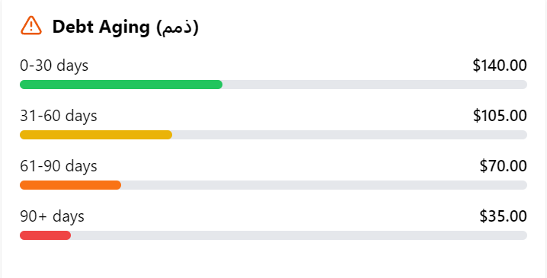 | the dept aging for its invoices
after call in the same call log card | also check for recording a payment in the customer card
after the call ends the window dilogue still opened to write the notes and take the actions I need to click save to save it in the call logs record section, that have the customer name, and it's sorted by date and also it shows in the customer card
After the call ends, if it is AI-wired, it attaches its summary to the call in the AI (name) summary
call duration / Key Points / the situation status
quality assurance score
issues found
invoice / qutation made and it's status
customer discounts per brand or item or overall / discount suggestion | catalouge seend button to send it to the customer through whatsapp
how it is calculated is as this The invoice total = The profit of the invoice is hidden from the employee and is for the admin not the supervisor the discount table set by the admin or supervisor + for example, 10% so it calculates the suggested discount is from the total profit of the invoice so it show to the employe for example an invoice of 1000$ it's profit lets say is 100$ and the table set to 10 % so the suggested discount for the employee is 10 $ Invoice Total = 1000$ Profit = 100$ Rule = 10% out of the profit → suggested = 10$ the profit margin table or the profit number strictly to the admin
Script section for the most asked qusitions and their answers

after the call ends

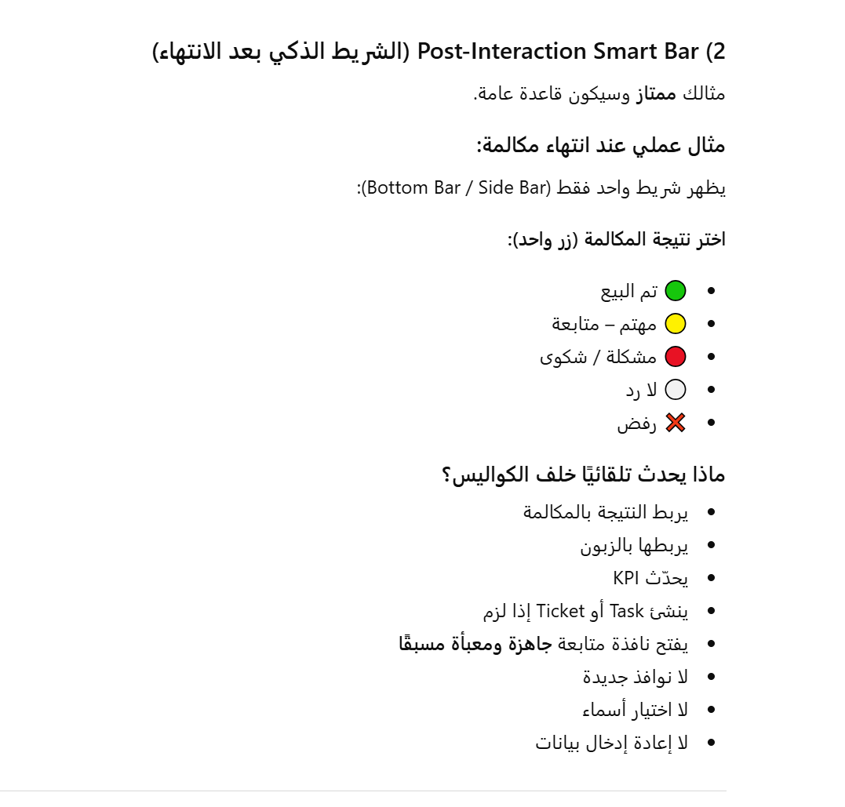
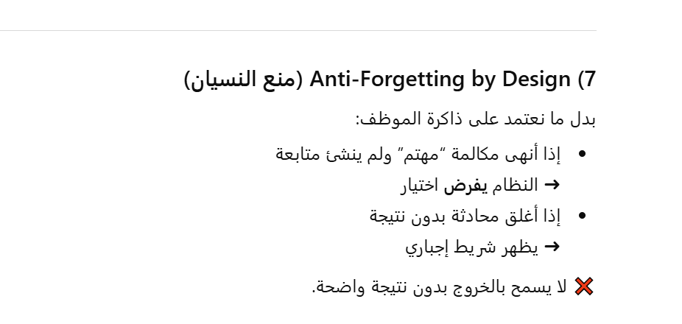

2) “One-Click Wrap-Up” (شريط إنهاء تفاعل) + إلزامي

أنت ذكرته، لكن التطوير المهم:

الشريط يكون إجباري قبل إغلاق التفاعل

ويحتوي 3–6 أزرار فقط (حسب نوع التفاعل)

ويخلق تلقائيًا: Task / Ticket / Follow-up بدون نوافذ إضافية

القاعدة: لا يوجد “حفظ” يدوي… كل شيء يسجل تلقائي.

Admin supervisor Dashboard
Admin / supervisor Dashboard
employee / status / channel / opened conversations / calls / last response / SLA (all colour orinted)
VIP Customers dashboard
Follow-ups & Tasks Dashboard / opened without an answer chats that the supervisor can assign to an employee / can assign the followups can assign the tasks for example
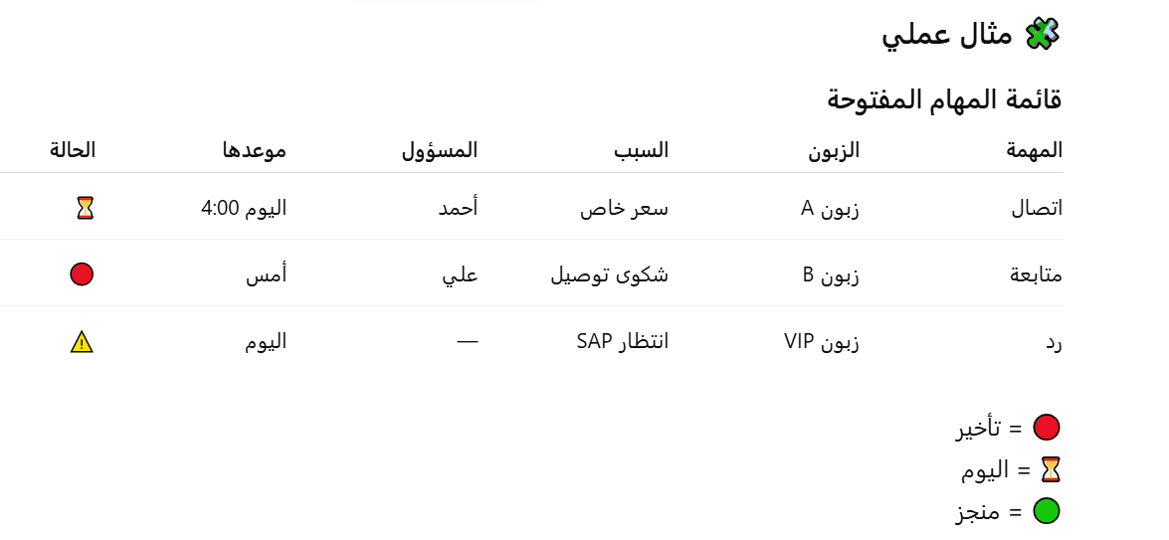

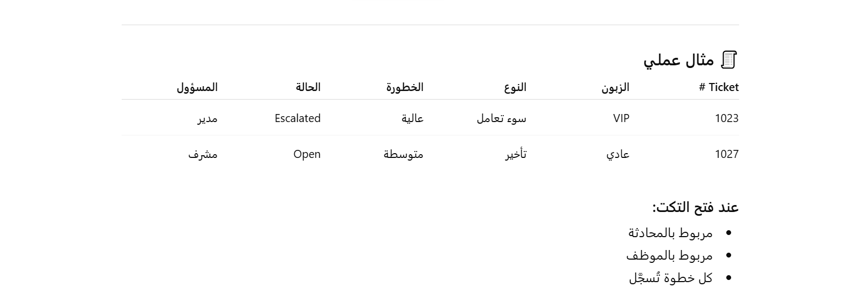
Complaints & Tickets Dashboard

Attendance & Remote Work Dashboard
plus the ip device type&location and such info
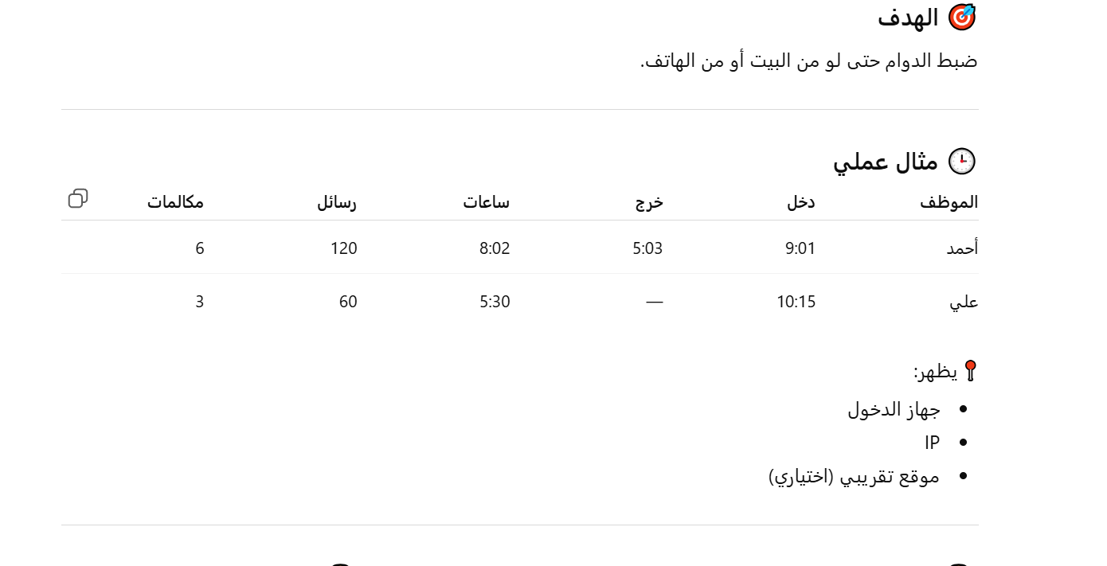

Audit Log
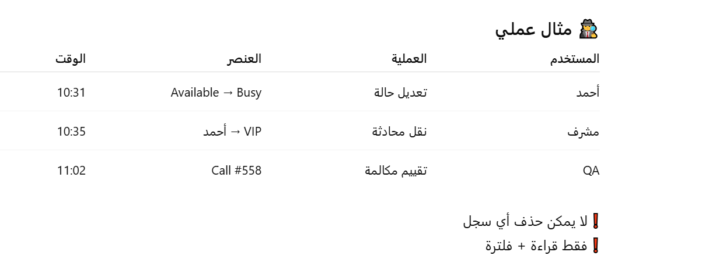

Agent (موظف) Supervisor (مشرف) QA / Audit (مدقق) QA Supervisor (مشرف المدققين) Manager General Manager ❗ كل دور له صلاحياته فقط ❗ لا يوجد “صلاحية مطلقة” إلا GM
مثال عملي – صلاحيات الدخول 👤 Agent يرد على الرسائل يستقبل المكالمات يشوف: بيانات الزبون السعر (حسب الصلاحية) لا يشوف: تقارير عامة تقييم زملائه Audit Logs
QA / Audit (المدقق) يسمع المكالمات يراجع الرسائل يقيّم (Score) يكتب ملاحظات 🚫 ممنوع عليه: الرد على الزبون تغيير أي حالة تعديل أي بيانات حذف أي شيء هو “عين رقابية فقط”
QA Supervisor (مشرف المدققين) يشوف: شغل كل مدقق إنتاجيتهم وقت استخدامهم للنظام يراجع تقييماتهم يكتشف: تهاون مضيعة وقت تعثر
لمتابعة العادلة للـ QA (نقطة ذهبية)

أنت طلبت عدالة كاملة، إذن:

🔍 ماذا نراقب للمدقق (QA)؟

1️⃣ عدد المكالمات التي سمعها

اليوم

الأسبوع

الشهر

2️⃣ مدة الاستماع

كم ثانية

كم دقيقة

مقارنة بزملائه

3️⃣ عدد الرسائل التي راجعها

نصوص

محادثات كاملة

4️⃣ وقت استخدام النظام

Login

Logout

Active time

Idle time

5️⃣ جودة عمله

هل كتب ملاحظات؟

هل قيّم فعليًا؟

أم فتح وطلع؟
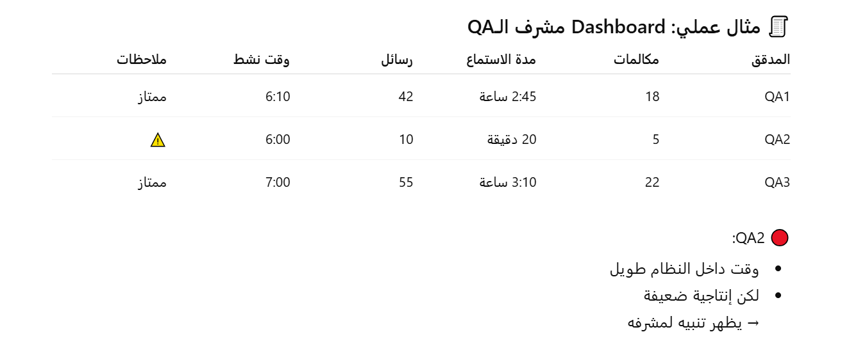

نفس المنطق يُطبق على الجميع (عدالة كاملة) 👤 Agent عدد الرسائل سرعة الرد المكالمات وقت العمل الفعلي 👤 Supervisor كم تدخل؟ كم مشكلة حل؟ كم محادثة نقل؟ كم Rule عدل؟ 👤 Manager عدد القرارات عدد الموافقات مدة الاستخدام لا أحد فوق النظام حتى المدير يظهر نشاطه (لكن بصلاحيات أعلى).
Audit Log (السجل الذي لا يكذب)

ما يُسجَّل؟

دخول / خروج

فتح مكالمة

تشغيل تسجيل

تقييم

تعديل Rule

نقل محادثة

فتح Ticket

مثال:

QA2 فتح مكالمة رقم 556
استمع 15 ثانية
أغلق بدون تقييم
→ تُسجَّل وتُحسب عليه

Supply Chain
Dashboard | container card
Purchase orders | container name | all of them of not possible to do it auto it can be done manually
Open purchase orders | Container number / that is linked to searates website for tracking
Containers/ inside it is the active containers, the at-port containers, and the completed/ done or whatever is the term | departure location auto
containers arriving soon | B/L Number
Suggested Purchase Order / create a purchase order button from the suggested po according to the provided study that uses the average annual or avg of the highest 6 months of sales divided by the available stock | upon clicking on it it shows the dialog window that has the below info
purchase orders / Europedivision / china division each has a user and auth of what to see | Clearance / شركة التخلييص
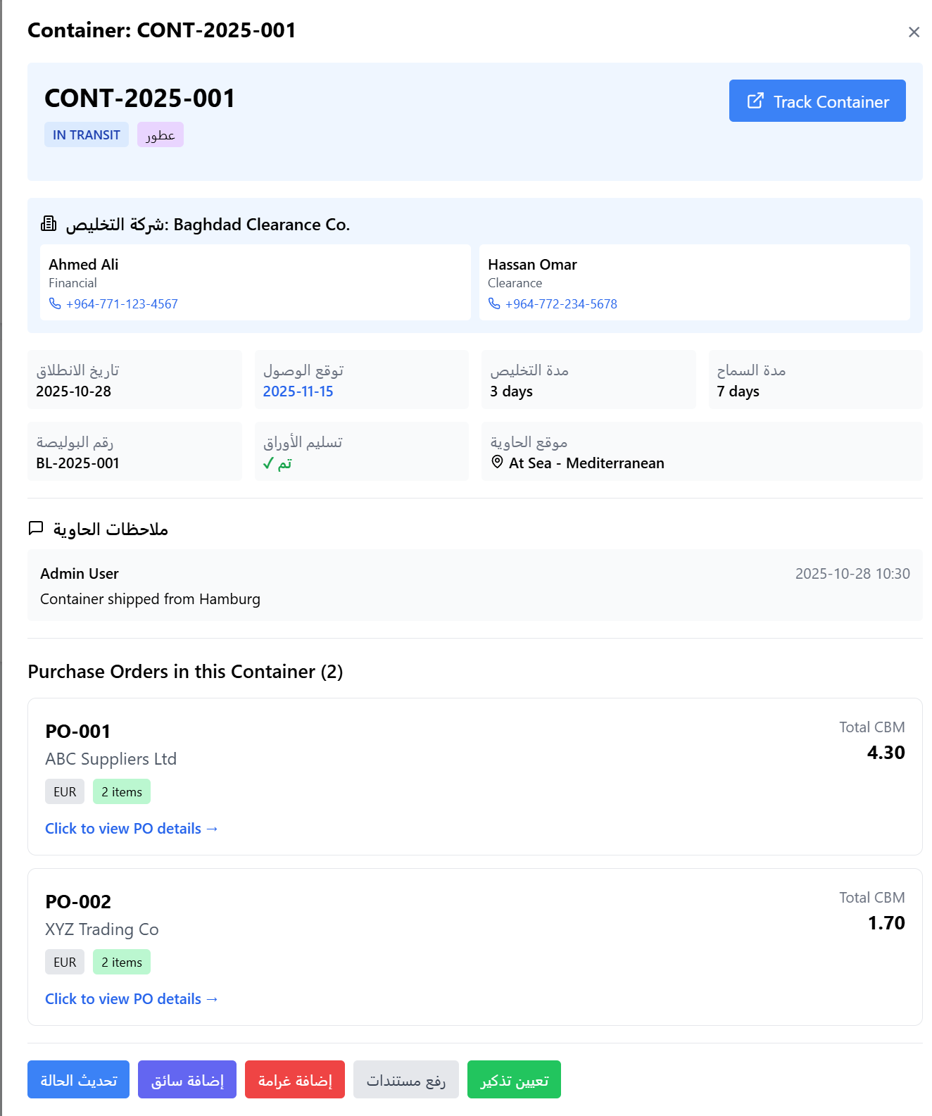
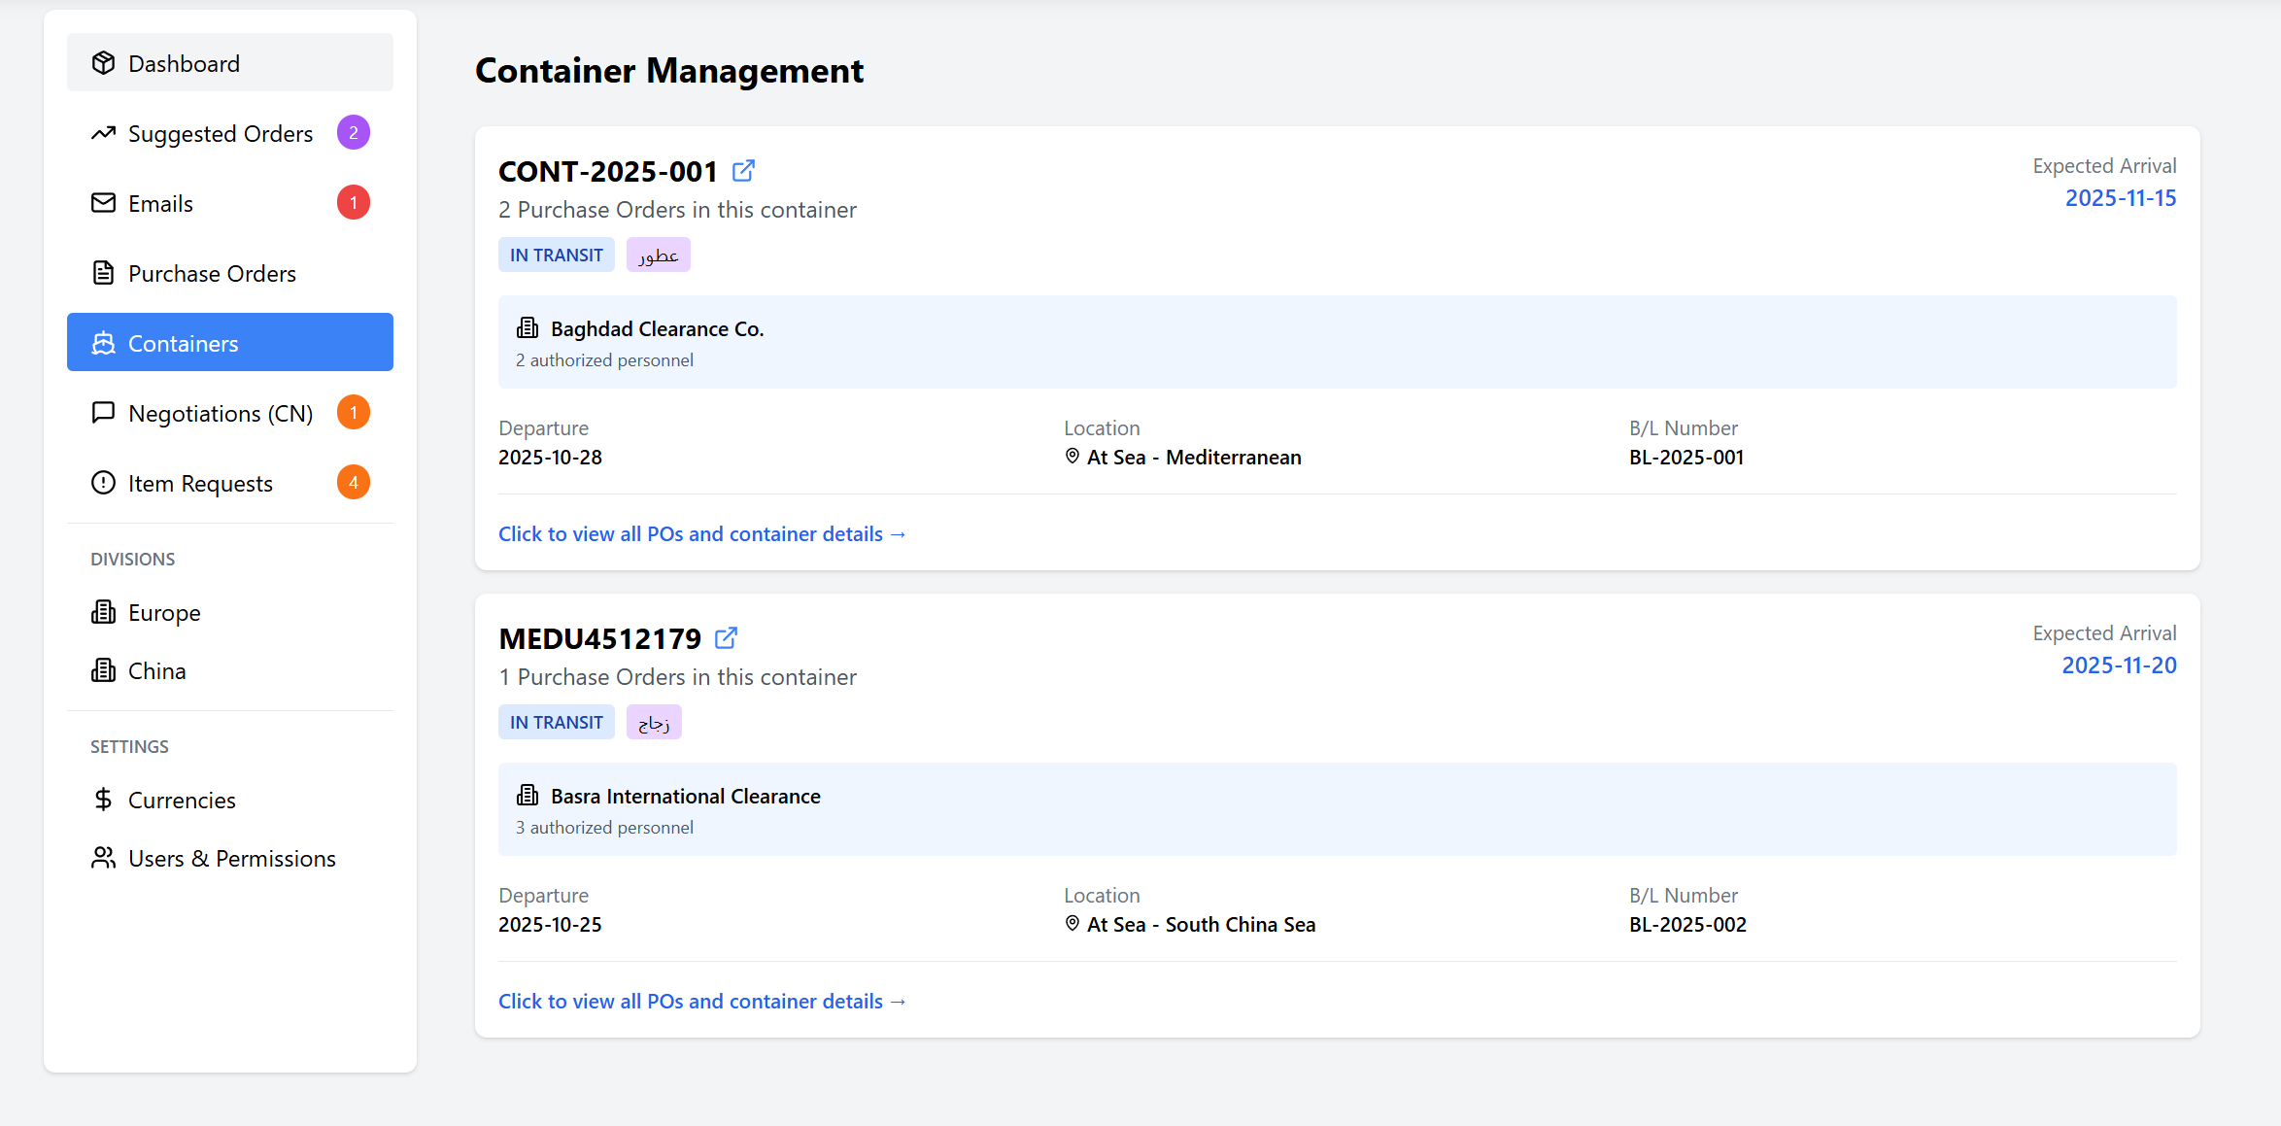
للبرجس اوردر (بمعنى البرجس اوردر بي خيار اسوي باكنك ليست يبقي المعلومات ويحذف الأسعار واي شي يتعلق بالكلفة و النقود) packing list option for after making the purchase order i can make a packing list of it the packing have no data of cost of the items or any cost just the rest of the information like the qty and size and cbm and total qty and the item and such...ect.. the packing list when i make it i can share it with the other users i choose
Import from Excel to the purchase order form that is already set
containers section that has the container card, the ability to create one
minimum and maximum for items
With some vendors, we use WhatsApp or WeChat for chatting and price acquiring
When making a po if the item is previously was purchased, there should be a column next to the price column called the previous price in case its higher higlite it in red if it is the same in green and yellow in case it is lower
A China office user who has access to the system and can add suppliers and their informations
connection with the China department and Baghdad by the users involved by tagging (@) / chat and intercome if possiable
When finished, the PO can be moved to AP
some informations and fields can be shown to some users as a report or for show to some users in WH for example
searates either api config or rigester by gmail 5 containers per day for the single email
attachments can be attached to the container and can be edited and there is a log for it
notifications system/ for reminders / containers / and so on
For PO can change the currency per supplier
E-mail handling within inside the system

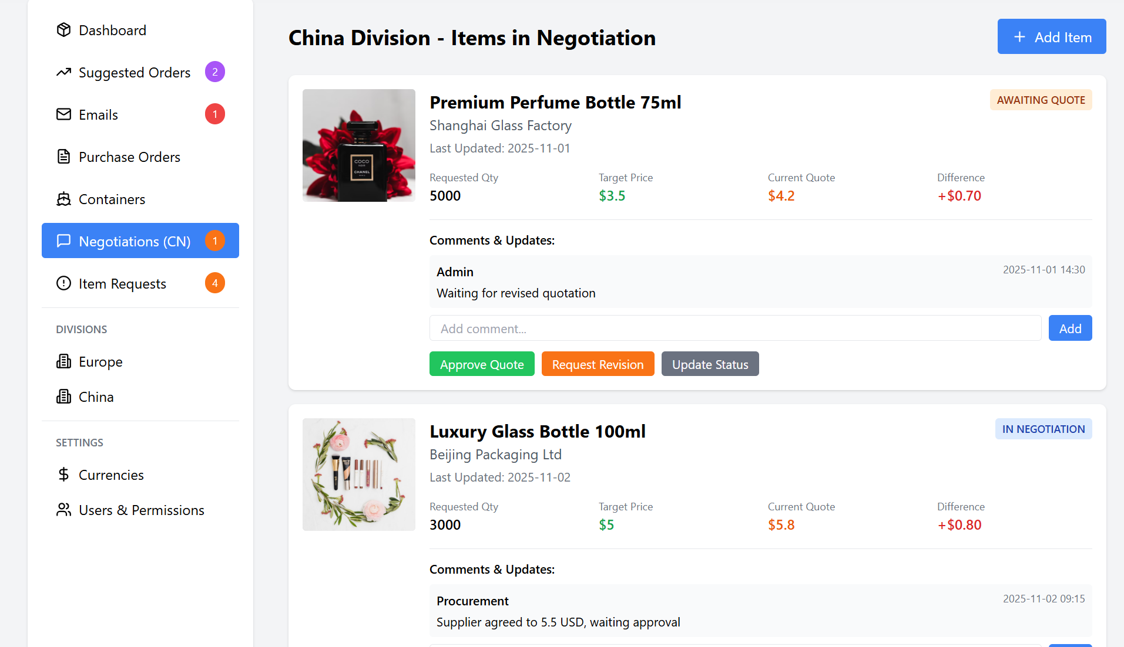 Negotiations

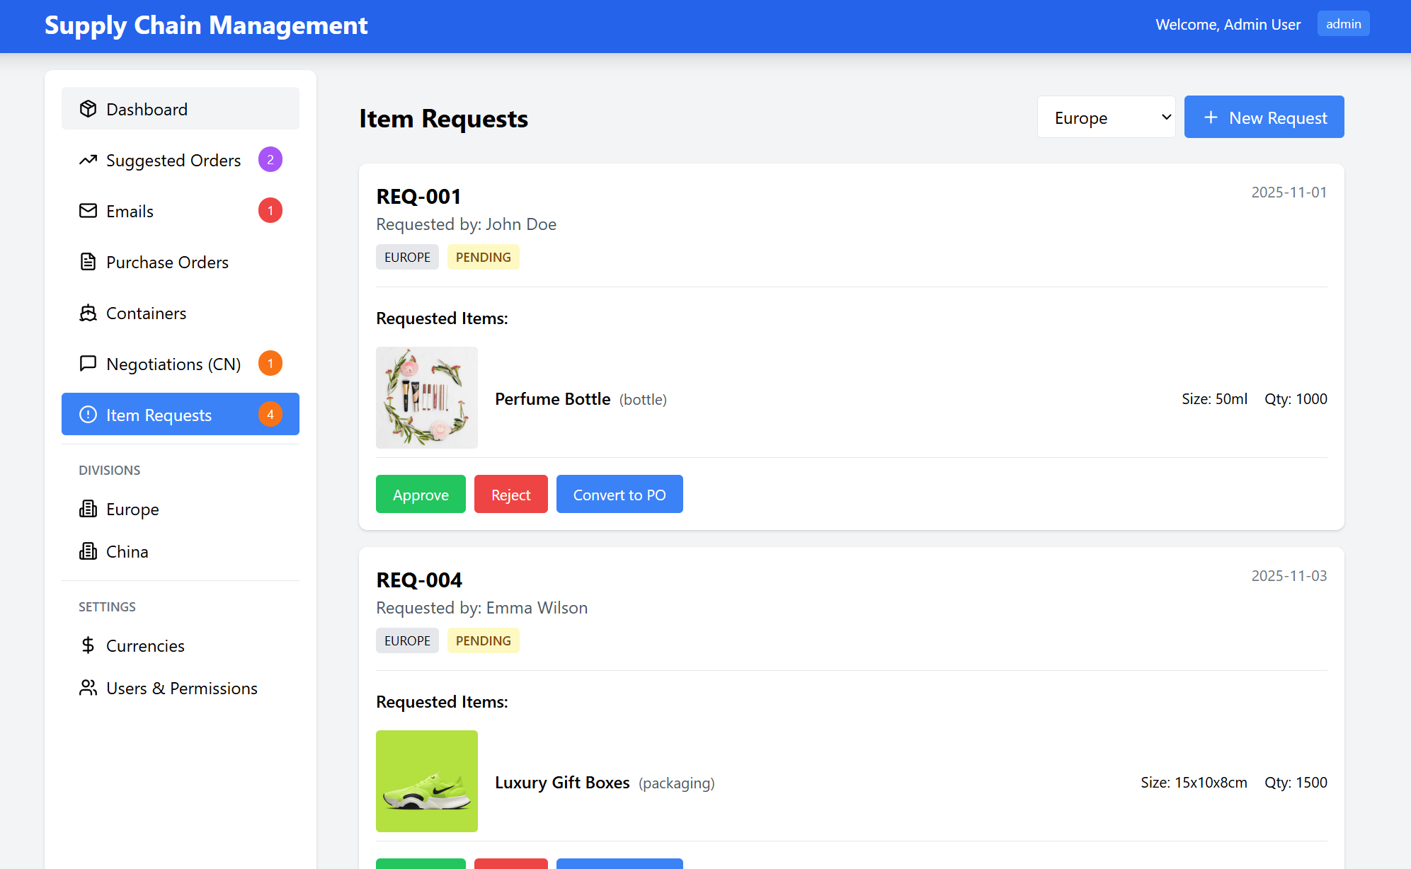 Item Requests

Supplier card similar to a customer card and also has the person in contact or came from
Custom Clearness full name address, email, phone,Authorized representative
في خانة الحاويات تاريخ انطلاق الشحنة / تاريخ متوقع الوصول هل تم تسليم معلومات الحاوية الى المخلص المعني ام لا highlited in green if yes in red if no مدة التخليص المخلص المعني بالحاوية مدة السماح بالبوليصة رقم البوليصة/الفاتورة/نوع الحاوية عطور ام زجاج بعد الاستلام ورفق المرفقات المسؤول يحولها الى ديليفيرد اي مسلمة لتختفي من المتابعة حقل تيكست للغرامات وسببها ان وجدت حقل comments ويظهر تاريخ الكومنت و اليوزر في tracking
أي يوزر مسؤول عن رفع الpo علي حيدر ام مريم و اذا علي حيدر حتى يكون خيار من علي حيدر يستلم الحاوية يخلي ملاحظة او checkbox او أي خيار انو تم الحاوية تروح الى تم التسليم ويجي بي اشعار ليوزر الصين مباشرة والاشعارات كذلك تصل الى قسم المالية بخصوص ال po and goods receipt or any move to be honest
المعلومات داخل الايتم تشمل الكثير من التفاصيل كما موجودة بالساب سكرين شوت بما يخص العطور و الزجاج
واجهة المشتريات لقسم الصين تحتوي على الكثير من التفاصيل لكل فئة كمثال الزجاج او البوكسات او الاوتمايزر وما الى ذلك كل مجموعة منها معلوماتها تختلف

the system 2- Po making and an option for after making the purchase order i can make a packing list of it the packing have no data of cost of the items or any cost just the rest of the information like the qty and size and cbm and total qty and the item and such...ect.. the packing list when i make it i can share it with the other users i choose whom 3- i can make an import from an Excel to the po, making so it automatically take the data, or I can paste the row or columns inside the PO it takes the pasted data 4-in the Po there is a container number field so when i fill it it shows in the container section in that section it shows the containers i have by their numbers. Inside it is the po details depend on the user if the user has permissions, it shows the PO; if he does not have the permission, it views the packing list of it and a comment section to keep everyone posted regarding the updates and if the po does not have a data in the field container number it does not show in the containers section it stays like that until i get the number i add it by editing the po so it shows in the container section also beside the comments section that the users can comment in there is attachments that they can upload 5- due date for the containers with a reminder to be manually set so it sends notifications for the users 6-Multi-Currency Support 7-Multi-Entity Management (Europe Division and China Division) 8- requested section where users ask for items and can fill the item name and picture and size and how many ml 50,30,10,100 ml and so or kg 25 50 150 to 1000 and so from the perfume to glass bottle or mix items they fill the information of the requested items and in the request i can choose europe or china division so it shows in that division tab

